Chillomania SEO
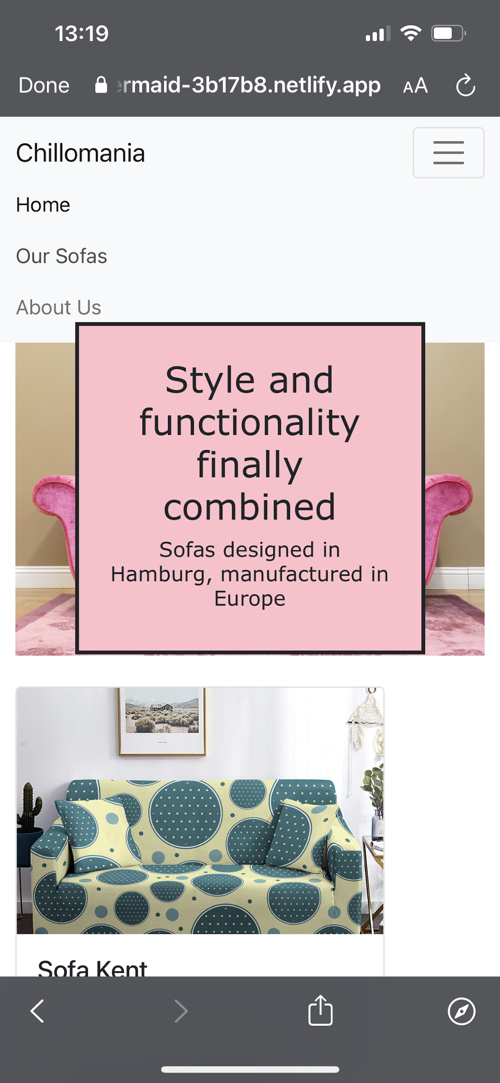
1- On-page SEO |  | Short description: | Tools links: | Recommendations - Chillomania website | Priority
TRUE | Responsive design | Helps you get the metrics. Guarantee that the page looks the same on all devices and screen sizes. | https://getbootstrap.com/ | The title should not collapse over the first picture on the homepage. | High
FALSE | H1 Tags | Important Headlines/ Keywords need to be allocated. Just 1 H1 is needed. | https://visualstudio.microsoft.com/ | Should have just 1 H1 for each page to rank better on the search engines. | High
FALSE | Find and fix meta description | A meta-description is an HTML tag you can set for a post or page of your website, using the Keyword. | https://www.copy.ai/tools/meta-description-generator | Meta description has no content, no keyword. No meta description for SM. Write a good meta description for the content Chillomania publishes on its website, though, including keywords. | High
FALSE | Alt-text for all images | Alternative texts help visually-challenged people or people with reading issues engage with your content; helps website get a good rank on image search. |  | Every image on the website should have a alternative text (description of the image). | Medium

2- Technical SEO |  | Short description: | Tools links:
TRUE | HTTPS (secure for user data) | Gurantees encrypted communication | https://www.siteground.com/
FALSE | Checking site Loading Speed | Speed at which the site loads on your browser. Should be high because people don't concentrate beyond 5 seconds | https://tools.pingdom.com/ | The images sizes should be reduced. | High

3- SEO Basics |  | Short description: | Tools links:
FALSE | Set up Google Analytics | An Analytics too that helps you get metrics on your website, and see which keyword and sources bring audience. | https://analytics.google.com/analytics/web/provision/#/provision | The Google Analytics should be set up in order to track the traffic. | Medium
FALSE | Set up Google Search Console | A web service by Google which allows webmasters to check indexing status, search queries, crawling errors and optimize visibility of their websites. | https://search.google.com/search-console/about | It is important to have a search console set up to check index errors, loading speed, website performance in general, and search engine. | Medium
FALSE | Indexing errors | Make sure website is accurately indexed | https://www.bing.com/webmaster/login/redirecttohomepage | Run the CS diagnostics tool on the website to fix the problem | High
FALSE | Create and Submit a Sitemap | A well-documented and structured relationship between all pages of the website and their interconnections is essential. We need to submit this to Google Search Console to get optimum results. | https://www.semrush.com/blog/10-awesome-visual-proven-sitemap-generator-tools/ | Ask your developer to create a clear sitemap and submit it to Google Search Console | Medium
FALSE | SEO friendly URL Structure | SEO-friendly URL structures make it easier for search engines to crawl your pages and understand what they’re about. |  | We suggest to use a "fast domain system" that describe what can be found in the website. www.chillomania.com (suggestion) simple and descriptive. For search engines and users alike. | High
FALSE | Crawling errors | Check if the search engine can visit every page of your website, without erros. Crawling depths: make sure each visitor is not clicking more than 3 times per page | https://www.bing.com/webmaster/login/redirecttohomepage | This is related to the sitemap. The website needs to have more pages/ content, and not just a landing page. As a website owner, you should be able to ensure that Google is able to crawl through all pages on the site. Failing this would lead to crawl errors. So, have a site map, create more pages and enable Search Console. | Medium

4- Keyword research: |  | Short description: | Tools links:
FALSE | Identify competitors keywords | Having an idea of what competitors in your field are up to will help you align your keywords and headlines and get picked up by the SE. | https://www.semrush.com/analytics/organic/overview?db=us | There is no content in the page and also no Keywords. They need content creators first, have some prelimary content. Long-tail keywords recommended. Keywords should be simple. Combine keywords for SEO and pay-per-click and link-building. | Low
FALSE | Identify Keywords | Check what keywords are most relevant and how is the competitiveness of the keywords. | https://ads.google.com/home/tools/keyword-planner/ |  | Low

5- Off-page SEO |  | Short description: | Tools links:
FALSE | Target Competitors | Competitor backlinking is an SEO technique where you analyze the backlinks of competing websites to understand the benchmarks for the types, quality, and number of backlinks you need. This helps you build a more robust and effective link building strategy for your own website. | https://www.semrush.com/analytics/backlinks/ | Chillomania should have a strategy for Backlinks, contacting blogs or magazines related to their field with the intension to be referenced in their websites. Creating a link building strategy, so that search engines will consider Chillomania to be relevant. | Low
FALSE | Backlinks (Leverage Digital PR) | A backlink is a link from some other website to that web resource. A web resource may be a website, web page, or web directory. A backlink is a reference comparable to a citation. | https://morningscore.io/competitor-backlink-analysis-tool/ |  | Low

 | Other suggestions:
 | Links to Social Media | We suggest to put links to Chillomania social media
 | Trustpilot | Install review tool

